EmployeeDashboard
Group Name |  |  |  |  | System Name |  |  |  |  |  | Create Member
Internship(MDY) |  |  |  |  | HR Management System |  |  |  |  |  | 1. Su La Pyae Aung, 2. Thandar Aung, 3. Aye Pwint Phyu, 4. Shu Ma Wa Cho

Table of contents

 | 1. Login Form
 |  | 1.1 Form Design
 |  | 1.2 Form Item Detail
 |  | 1.3 Tab Order
 |  | 1.4 Screen Operation Details
 |  | 1.5 Error Check Detail
 | 2. Employee_View_Attendance
 |  | 2.1 Form Design
 |  | 2.2 Form Item Detail
 |  | 1.4 Screen Operation Details
 |  | 1.5 Error Check Detail
 |  | 2.3 Screen Operation Details
 | 3. Request Leave Form
 |  | 3.1 Form Design
 |  | 3.2 Form Item Detail
 |  | 3.3 Tab Order
 |  | 3.4 Screen Operation Details
 |  | 3.5 Error Check Detail
 | 4. EmployeeViewLeave
 |  | 4.1 Form Design
 |  | 4.2 Form Item Detail
 |  | 4.3 Screen Operation Details
 | 5. Employee View Profile
 |  | 5.1 Form Design
 |  | 5.2 Form Item Detail

 | 1. Login Form
 |  | 1.1 Form Design

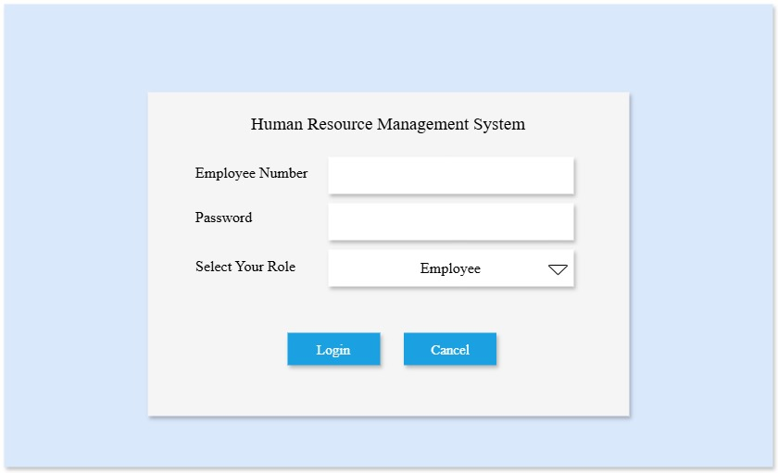

 |  | 1.2 Form Item Detail

 |  |  | Human Resource Management System |  |  |  | Explanation |  | System Title
 |  |  |  |  |  |  | Item |  | Label
 |  |  |  |  |  |  | Minimum Length |  | －
 |  |  |  |  |  |  | Maximum length |  | －
 |  |  |  |  |  |  | Justify |  | Center
 |  |  |  |  |  |  | Default |  | －
 |  |  |  |  |  |  | Input Condition |  | Can't input (show only)
 |  |  |  |  |  |  | Input Required |  | Always show
 |  |  |  |  |  |  | Visibility |  | Visible
 |  |  |  |  |  |  | Other

 |  |  | Employee Number |  |  |  | Explanation |  | Input employee number
 |  |  |  |  |  |  | Item |  | TextBox
 |  |  |  |  |  |  | Minimum Length |  | 6digits
 |  |  |  |  |  |  | Maximum length |  | 8digits
 |  |  |  |  |  |  | Justify |  | Center
 |  |  |  |  |  |  | Default |  | －
 |  |  |  |  |  |  | Input Condition |  | Can Input digits
 |  |  |  |  |  |  | Input Required |  | Always show
 |  |  |  |  |  |  | Visibility |  | Visible
 |  |  |  |  |  |  | Other

 |  |  | Password |  |  |  | Explanation |  | Input password
 |  |  |  |  |  |  | Item |  | TextBox
 |  |  |  |  |  |  | Minimum Length |  | 8characters
 |  |  |  |  |  |  | Maximum length |  | 12characters
 |  |  |  |  |  |  | Justify |  | Center
 |  |  |  |  |  |  | Default |  | －
 |  |  |  |  |  |  | Input Condition |  | Can Input
 |  |  |  |  |  |  | Input Required |  | Always show
 |  |  |  |  |  |  | Visibility |  | Visible
 |  |  |  |  |  |  | Other |  | passwordChar="*"

 |  |  | Select Your Role |  |  |  | Explanation |  | Select login user's role
 |  |  |  |  |  |  | Item |  | ComboBox
 |  |  |  |  |  |  | Minimum Length |  | 2characters
 |  |  |  |  |  |  | Maximum length |  | 10characters
 |  |  |  |  |  |  | Justify |  | Center
 |  |  |  |  |  |  | Default |  | Employee
 |  |  |  |  |  |  | Input Condition |  | Can choose from comboBox
 |  |  |  |  |  |  | Input Required |  | Always show
 |  |  |  |  |  |  | Visibility |  | Visible
 |  |  |  |  |  |  | Other |  | －

 |  |  | Login |  |  |  | Explanation |  | Login Button
 |  |  |  |  |  |  | Item |  | Button
 |  |  |  |  |  |  | Minimum Length |  | －
 |  |  |  |  |  |  | Maximum length |  | －
 |  |  |  |  |  |  | Justify |  | Center
 |  |  |  |  |  |  | Default |  | －
 |  |  |  |  |  |  | Input Condition |  | Can't input (show only)
 |  |  |  |  |  |  | Input Required |  | －
 |  |  |  |  |  |  | Visibility |  | Visible
 |  |  |  |  |  |  | Other |  | Check input validation and then show appropriate dashboard

 |  |  | Cancel |  |  |  | Explanation |  | Cancel Button
 |  |  |  |  |  |  | Item |  | Button
 |  |  |  |  |  |  | Minimum Length |  | －
 |  |  |  |  |  |  | Maximum length |  | －
 |  |  |  |  |  |  | Justify |  | Center
 |  |  |  |  |  |  | Default |  | －
 |  |  |  |  |  |  | Input Condition |  | Can't input (show only)
 |  |  |  |  |  |  | Input Required |  | －
 |  |  |  |  |  |  | Visibility |  | Visible
 |  |  |  |  |  |  | Other |  | Reset the form

 |  | 1.3 Tab Order
 |  |  | 1 | employee_number_textBox
 |  |  | 2 | password_textBox
 |  |  | 3 | role_comboBox
 |  |  | 4 | Login Button

 |  | 1.4 Screen Operation Details

 |  |  | Event Name |  |  |  |  | Process Brief |  |  |  |  | Process Detail
 |  |  | Login Button |  |  |  |  | Login to the system |  |  |  |  | Validate Employee Number and Password with database,
 |  |  |  |  |  |  |  |  |  |  |  |  | if valid then redirect to the dashboard based on role.
 |  |  | Cancel Button |  |  |  |  | Reset login form |  |  |  |  | Clear all data from the form.

 |  | 1.5 Error Check Detail

 |  |  | Event Name |  |  |  |  | Error Check Detail
 |  |  | Login Button |  |  |  |  | 1. Check Employee Number is empty or not: if empty, show require message and focus on Employee Number TextBox.
 |  |  |  |  |  |  |  | 2. Check Password is empty or not: if empty, show require message and focus on Password TextBox.
 |  |  |  |  |  |  |  | 3. If Employee Number is not found in database then show invalid message and focus on Employee Number TextBox.
 |  |  |  |  |  |  |  | 4. If Employee Number is found in database then Validate Password if Password is invalid, show invalid message and focus on Password TextBox
 |  |  |  |  |  |  |  | 5. If Employee Number and Password are matched, then check if the selected row is matched with Employee Number and Password or not.
 |  |  |  |  |  |  |  | 6. Selected Role is not matched with Employee Number and Password , then show user to select the role again.
 |  |  |  |  |  |  |  | 7. If Employee Number, Password and Selected Role are matched and valid, then show their dashboard.
 |  |  |  |  |  |  |  | If Employee is selected : Redirect to Employee Dashboard.
 |  |  |  |  |  |  |  | If HR is selected: Redirect to HR Dashboard.
 |  |  |  |  |  |  |  | If Head is selected: Redirect to Head Dashboard.

 | 2. Employee_View_Attendance

 |  | 2.1 Form Design

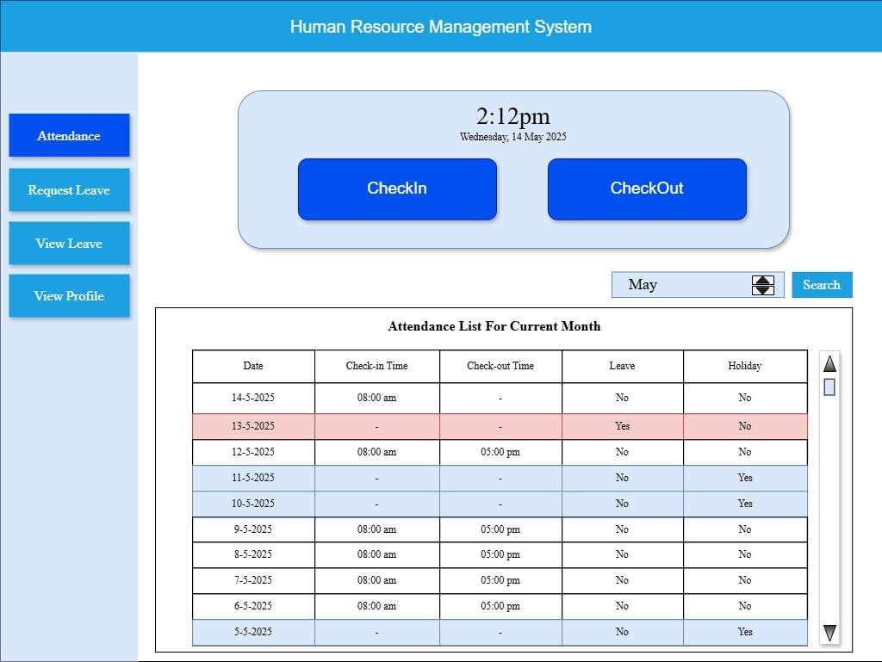

 |  | 2.2 Form Item Detail

 |  |  | Human Resource Managemnet System |  |  |  | Explanation |  | Show the Title of The System: "Human Resorce Management System"
 |  |  |  |  |  |  | Item |  | Label
 |  |  |  |  |  |  | Minimum Length |  | -
 |  |  |  |  |  |  | Maximum length |  | -
 |  |  |  |  |  |  | Justify |  | Middle Center
 |  |  |  |  |  |  | Default |  | -
 |  |  |  |  |  |  | Input Condition |  | Can't input (show only)
 |  |  |  |  |  |  | Input Required |  | Always show
 |  |  |  |  |  |  | Visibility |  | Visible
 |  |  |  |  |  |  | Other |  | -

 |  |  | Attendance |  |  |  | Explanation |  | To make Check-in, Check-out Activities and Attendance Records
 |  |  |  |  |  |  | Item |  | Button
 |  |  |  |  |  |  | Minimum Length |  | -
 |  |  |  |  |  |  | Maximum length |  | -
 |  |  |  |  |  |  | Justify |  | Middle Center
 |  |  |  |  |  |  | Default |  | Show Check-in, Check-out Buttons and Attendance List for Current Month
 |  |  |  |  |  |  | Input Condition |  | Mouse Click
 |  |  |  |  |  |  | Input Required |  | -
 |  |  |  |  |  |  | Visibility |  | Visible
 |  |  |  |  |  |  | Other |  | It will change color when clicked and show "Employee_View_Attendance Page"

 |  |  | Request Leave |  |  |  | Explanation |  | To request a leave
 |  |  |  |  |  |  | Item |  | Button
 |  |  |  |  |  |  | Minimum Length |  | -
 |  |  |  |  |  |  | Maximum length |  | -
 |  |  |  |  |  |  | Justify |  | Middle Center
 |  |  |  |  |  |  | Default |  | Show leave request form
 |  |  |  |  |  |  | Input Condition |  | Mouse Click
 |  |  |  |  |  |  | Input Required |  | -
 |  |  |  |  |  |  | Visibility |  | Visible
 |  |  |  |  |  |  | Other |  | It will change color when clicked and show leave request form.

 |  |  | View Leave |  |  |  | Explanation |  | To show list of requested leave
 |  |  |  |  |  |  | Item |  | Button
 |  |  |  |  |  |  | Minimum Length |  | -
 |  |  |  |  |  |  | Maximum length |  | -
 |  |  |  |  |  |  | Justify |  | Middle Center
 |  |  |  |  |  |  | Default |  | Show list of requested leave for current year
 |  |  |  |  |  |  | Input Condition |  | Mouse Click
 |  |  |  |  |  |  | Input Required |  | -
 |  |  |  |  |  |  | Visibility |  | Visible
 |  |  |  |  |  |  | Other |  | It will change color when clicked and show list of requested leave

 |  |  | View Profile |  |  |  | Explanation |  | To show personal information
 |  |  |  |  |  |  | Item |  | Button
 |  |  |  |  |  |  | Minimum Length |  | -
 |  |  |  |  |  |  | Maximum length |  | -
 |  |  |  |  |  |  | Justify |  | Middle Center
 |  |  |  |  |  |  | Default |  | Show list of personal information
 |  |  |  |  |  |  | Input Condition |  | Can't input
 |  |  |  |  |  |  | Input Required |  | -
 |  |  |  |  |  |  | Visibility |  | Visible
 |  |  |  |  |  |  | Other |  | It will change color when clicked and show personal information

 |  |  | current time |  |  |  | Explanation |  | To show current date and time
 |  |  |  |  |  |  | Item |  | Label
 |  |  |  |  |  |  | Minimum Length |  | -
 |  |  |  |  |  |  | Maximum length |  | -
 |  |  |  |  |  |  | Justify |  | Middle Center
 |  |  |  |  |  |  | Default |  | Show current date and time
 |  |  |  |  |  |  | Input Condition |  | Can't input
 |  |  |  |  |  |  | Input Required |  | -
 |  |  |  |  |  |  | Visibility |  | Visible
 |  |  |  |  |  |  | Other |  | -

 |  |  | Check-In |  |  |  | Explanation |  | To make check-in activity for attendance
 |  |  |  |  |  |  | Item |  | Button
 |  |  |  |  |  |  | Minimum Length |  | -
 |  |  |  |  |  |  | Maximum length |  | -
 |  |  |  |  |  |  | Justify |  | Middle Center
 |  |  |  |  |  |  | Default |  | -
 |  |  |  |  |  |  | Input Condition |  | Can't input
 |  |  |  |  |  |  | Input Required |  | -
 |  |  |  |  |  |  | Visibility |  | Visible
 |  |  |  |  |  |  | Other |  | It will change color when clicked and fill check-in time in attendance record.

 |  |  | Check-Out |  |  |  | Explanation |  | To make check-out activity for attendance
 |  |  |  |  |  |  | Item |  | Button
 |  |  |  |  |  |  | Minimum Length |  | -
 |  |  |  |  |  |  | Maximum length |  | -
 |  |  |  |  |  |  | Justify |  | Middle Center
 |  |  |  |  |  |  | Default |  | -
 |  |  |  |  |  |  | Input Condition |  | Can't input
 |  |  |  |  |  |  | Input Required |  | -
 |  |  |  |  |  |  | Visibility |  | Visible
 |  |  |  |  |  |  | Other |  | It will change color when clicked and fill check-out time in attendance record.

 |  |  | Month Picker |  |  |  | Explanation |  | To choose month for attendance record searching
 |  |  |  |  |  |  | Item |  | DateTimePicker
 |  |  |  |  |  |  | Minimum Length |  | -
 |  |  |  |  |  |  | Maximum length |  | -
 |  |  |  |  |  |  | Justify |  | -
 |  |  |  |  |  |  | Default |  | Current month
 |  |  |  |  |  |  | Input Condition |  | Can choose month
 |  |  |  |  |  |  | Input Required |  | -
 |  |  |  |  |  |  | Visibility |  | Visible
 |  |  |  |  |  |  | Other |  | -

 |  |  | Search |  |  |  | Explanation |  | To search attendance record for the chosen month
 |  |  |  |  |  |  | Item |  | Button
 |  |  |  |  |  |  | Minimum Length |  | -
 |  |  |  |  |  |  | Maximum length |  | -
 |  |  |  |  |  |  | Justify |  | Middle Center
 |  |  |  |  |  |  | Default |  | -
 |  |  |  |  |  |  | Input Condition |  | Can't input
 |  |  |  |  |  |  | Input Required |  | -
 |  |  |  |  |  |  | Visibility |  | Visible
 |  |  |  |  |  |  | Other |  | -

 |  |  | Attendance List For Current Month |  |  |  | Explanation |  | Show the title of the list of attendance record table.
 |  |  |  |  |  |  | Item |  | Label
 |  |  |  |  |  |  | Minimum Length |  | -
 |  |  |  |  |  |  | Maximum length |  | -
 |  |  |  |  |  |  | Justify |  | Middle center
 |  |  |  |  |  |  | Default |  | Attendance List For Current Month
 |  |  |  |  |  |  | Input Condition |  | Can't input
 |  |  |  |  |  |  | Input Required |  | -
 |  |  |  |  |  |  | Visibility |  | Visible
 |  |  |  |  |  |  | Other |  | When search button is clicked, it will change name of month after the word "for".

 |  |  | AttendanceListDataGridView |  |  |  | Explanation |  | Show List of attendance record table.
 |  |  |  |  |  |  | Item |  | DataGridView
 |  |  |  |  |  |  | Number of Columns |  | 5
 |  |  |  |  |  |  | Number of Rows |  | Numbers of days in a month
 |  |  |  |  |  |  | Column Details |  | (1) Date [Decending Order (Newest First)],
 |  |  |  |  |  |  |  |  | (2) Check-in Time [Show clicked time when Check-In Button is clicked. Otherwise, Show "-"],
 |  |  |  |  |  |  |  |  | (3) Check-out Time [Show clicked time when Check-Out Button is clicked. Otherwise, Show "-"],
 |  |  |  |  |  |  |  |  | (4) Leave [Show "Yes" and highlight entire row with light red colour if the employee is on leave, else show "No"],
 |  |  |  |  |  |  |  |  | (5) Holiday [Show "Yes" and highlight entire row with light blue colour if the date falls on a holiday, else show "No". ]
 |  |  |  |  |  |  | Justify |  | Middle center
 |  |  |  |  |  |  | Default |  | List of attendance record for current month
 |  |  |  |  |  |  | Input Condition |  | Can't input
 |  |  |  |  |  |  | Resizable |  | No
 |  |  |  |  |  |  | Visibility |  | Visible
 |  |  |  |  |  |  | Other |  | The data will change for the month chosen in DateTimePicker when the search button is clicked.

 |  | 2.3 Screen Operation Details

 |  |  | Event Name |  |  |  |  | Process Brief |  |  |  |  | Process Detail
 |  |  | Current time |  |  |  |  | Show current date and time |  |  |  |  | Show currnet date and time in 12-hour format.
 |  |  | Attendance Button |  |  |  |  | Show Check-in, Check-out buttons, |  |  |  |  | Show EmployeeViewAttendance page.
 |  |  |  |  |  |  |  | Show attendance records. |  |  |  |  | Check-in, Check-out buttons and list of attendace record are shown on this.
 |  |  |  |  |  |  |  |  |  |  |  |  | List of attendance record is searchable by month.
 |  |  | Request Leave Button |  |  |  |  | Show leave request form. |  |  |  |  | Show leave request form to make a leave request.
 |  |  | View Leave Button |  |  |  |  | Show list of requested leave. |  |  |  |  | Show the list of requested leave and its status.
 |  |  | View Profile Button |  |  |  |  | Show personal information. |  |  |  |  | Show the personal information that were filled when adding new employee by HR.
 |  |  |  |  |  |  |  |  |  |  |  |  | Employee can't update and delete these information.
 |  |  | Check-in Button |  |  |  |  | Make Check-in activity. |  |  |  |  | When clicked, it will alert a dialog box showing message: "You have checked in!
 |  |  |  |  |  |  |  |  |  |  |  |  | Check-in time: 00:00 am/pm. If your have any problem with the attendance,
 |  |  |  |  |  |  |  |  |  |  |  |  | contact to HR department.", store clicked time as check-in time in the attendance database
 |  |  |  |  |  |  |  |  |  |  |  |  | and show this time in the Check-out Time column at the top row
 |  |  |  |  |  |  |  |  |  |  |  |  | of the list of attendance record table.
 |  |  | Check-out Button |  |  |  |  | Make Check-out activity. |  |  |  |  | If it is clicked without clicking the Check-in Button, it will alert a dialog box showing message:
 |  |  |  |  |  |  |  |  |  |  |  |  | "You have not checked-in yet! Please click Check-in Button first.
 |  |  |  |  |  |  |  |  |  |  |  |  | If your have any problem with the attendance, contact to HR department.".
 |  |  |  |  |  |  |  |  |  |  |  |  | If the Check-in button is already clicked and when it is clicked, it will store clicked time as
 |  |  |  |  |  |  |  |  |  |  |  |  | check-out time in the attendance database and show this time in the Check-out Time column
 |  |  |  |  |  |  |  |  |  |  |  |  | at the top row of the list of attendance record table.
 |  |  | Search Button |  |  |  |  | Make a search for attendance record. |  |  |  |  | When clicked, it will show the list of attendance record for the chosen month
 |  |  |  |  |  |  |  |  |  |  |  |  | in the DateTimePicker.

 | 3. Request Leave Form

 |  | 3.1 Form Design

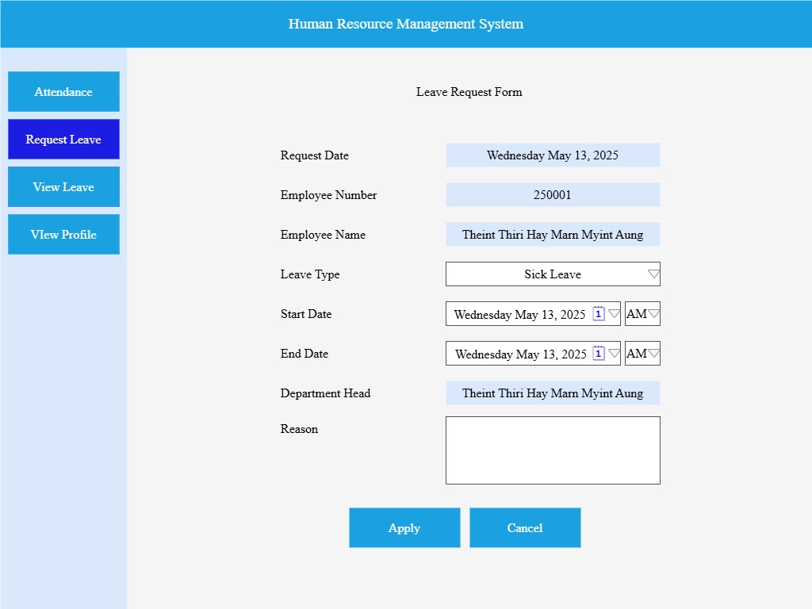
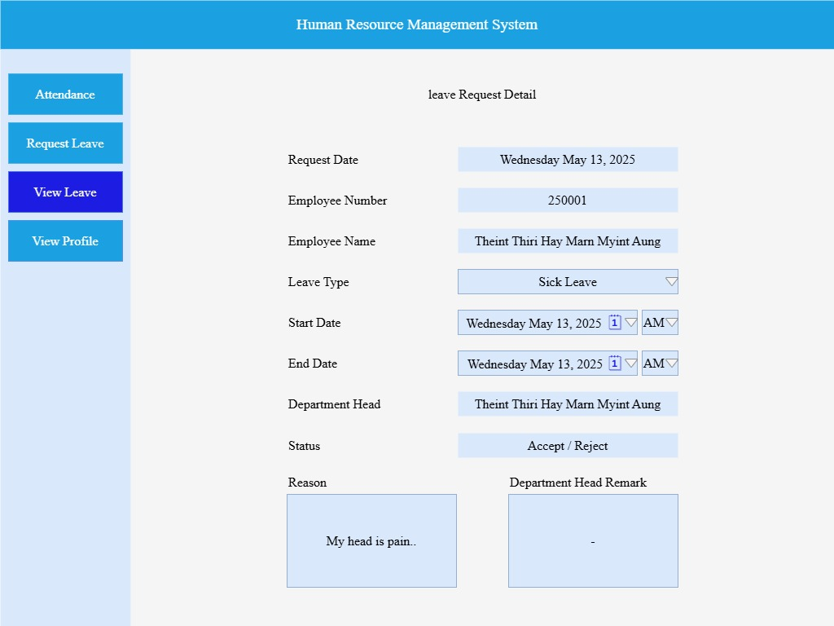

 |  | 3.2 Form Item Detail

 |  |  | Request Date |  |  |  | Explanation |  | To show leave request date
 |  |  |  |  |  |  | Item |  | DateTimePicker
 |  |  |  |  |  |  | Minimum Length |  | 8characters
 |  |  |  |  |  |  | Maximum length |  | 20characters
 |  |  |  |  |  |  | Justify |  | Center
 |  |  |  |  |  |  | Default |  | System current date time
 |  |  |  |  |  |  | Input Condition |  | Can't input (show only)
 |  |  |  |  |  |  | Input Required |  | －
 |  |  |  |  |  |  | Visibility |  | Visible
 |  |  |  |  |  |  | Other |  | If redirect from Leave Details button, show request date from database in Request Date field.

 |  |  | Employee Number |  |  |  | Explanation |  | To show current employee number
 |  |  |  |  |  |  | Item |  | TextBox
 |  |  |  |  |  |  | Minimum Length |  | 6digits
 |  |  |  |  |  |  | Maximum length |  | 8digits
 |  |  |  |  |  |  | Justify |  | Center
 |  |  |  |  |  |  | Default |  | Current user's employee number
 |  |  |  |  |  |  | Input Condition |  | Can't input (show only)
 |  |  |  |  |  |  | Input Required |  | －
 |  |  |  |  |  |  | Visibility |  | Visible
 |  |  |  |  |  |  | Other |  | Employee can not change their employee number.

 |  |  | Employee Name |  |  |  | Explanation |  | Label for Employee Name
 |  |  |  |  |  |  | Item |  | TextBox
 |  |  |  |  |  |  | Minimum Length |  | 2characters
 |  |  |  |  |  |  | Maximum length |  | 50characters
 |  |  |  |  |  |  | Justify |  | Center
 |  |  |  |  |  |  | Default |  | Current user's employee name
 |  |  |  |  |  |  | Input Condition |  | Can't input (show only)
 |  |  |  |  |  |  | Input Required |  | －
 |  |  |  |  |  |  | Visibility |  | Visible
 |  |  |  |  |  |  | Other |  | Employee can not cahnge their employee name.

 |  |  | Leave Type |  |  |  | Explanation |  | Choose leave type (Annual Leave, Personal Leave, Medical Leave, Parental Leave, Compassionate Leave)
 |  |  |  |  |  |  | Item |  | ComboBox
 |  |  |  |  |  |  | Minimum Length |  | 10characters
 |  |  |  |  |  |  | Maximum length |  | 30characters
 |  |  |  |  |  |  | Justify |  | Center
 |  |  |  |  |  |  | Default |  | Annual Leave
 |  |  |  |  |  |  | Input Condition |  | Can choose from comboBox
 |  |  |  |  |  |  | Input Required |  | －
 |  |  |  |  |  |  | Visibility |  | Visible
 |  |  |  |  |  |  | Other |  | If redirect from Leave Details Button and status is Approved/ Reject, user cannot change Leave Type.
 |  |  |  |  |  |  |  |  | If status is pending, Leave Type is enable to change.

 |  |  | Start Date |  |  |  | Explanation |  | Choose start date for leave request
 |  |  |  |  |  |  | Item |  | DateTimePicker
 |  |  |  |  |  |  | Minimum Length |  | 8characters
 |  |  |  |  |  |  | Maximum length |  | 20characters
 |  |  |  |  |  |  | Justify |  | Center
 |  |  |  |  |  |  | Default |  | System current date time
 |  |  |  |  |  |  | Input Condition |  | Can choose from dateTimePicker
 |  |  |  |  |  |  | Input Required |  | －
 |  |  |  |  |  |  | Visibility |  | Visible
 |  |  |  |  |  |  | Other |  | Start date is always equal or greater than current date.
 |  |  |  |  |  |  |  |  | If redirect from Leave Details button and status is Approved/Reject, start date is disable to choose and show date from database.
 |  |  |  |  |  |  |  |  | If status is pending, start date is enable to choose.

 |  |  | Full or Half |  |  |  | Explanation |  | Choose (AM/ PM/ Full)
 |  |  |  |  |  |  | Item |  | ComboBox
 |  |  |  |  |  |  | Minimum Length |  | 2characters
 |  |  |  |  |  |  | Maximum length |  | 5characters
 |  |  |  |  |  |  | Justify |  | Center
 |  |  |  |  |  |  | Default |  | AM
 |  |  |  |  |  |  | Input Condition |  | Can choose from comboBox
 |  |  |  |  |  |  | Input Required |  | －
 |  |  |  |  |  |  | Visibility |  | Visible
 |  |  |  |  |  |  | Other |  | If redirect from Leave Details button and status is Approved/Reject, Full or Half is disable to choose and show data from database.
 |  |  |  |  |  |  |  |  | If status is pending, data is enable to choose.

 |  |  | End Date |  |  |  | Explanation |  | Choose end date for leave request
 |  |  |  |  |  |  | Item |  | DateTimePicker
 |  |  |  |  |  |  | Minimum Length |  | 8characters
 |  |  |  |  |  |  | Maximum length |  | 20characters
 |  |  |  |  |  |  | Justify |  | Center
 |  |  |  |  |  |  | Default |  | System's current date time
 |  |  |  |  |  |  | Input Condition |  | Can choose from dataTimePicker
 |  |  |  |  |  |  | Input Required |  | －
 |  |  |  |  |  |  | Visibility |  | Visible
 |  |  |  |  |  |  | Other |  | End date is always equal or greater than start date.
 |  |  |  |  |  |  |  |  | If redirect from Leave Details button and status is Approved/Reject, end date is disable to choose and show date from database.
 |  |  |  |  |  |  |  |  | If status is pending, end date is enable to choose.

 |  |  | Full or Half |  |  |  | Explanation |  | Choose (AM/ PM/ Full)
 |  |  |  |  |  |  | Item |  | ComboBox
 |  |  |  |  |  |  | Minimum Length |  | 2characters
 |  |  |  |  |  |  | Maximum length |  | 5characters
 |  |  |  |  |  |  | Justify |  | Center
 |  |  |  |  |  |  | Default |  | AM
 |  |  |  |  |  |  | Input Condition |  | Can Input
 |  |  |  |  |  |  | Input Required |  | －
 |  |  |  |  |  |  | Visibility |  | Visible
 |  |  |  |  |  |  | Other |  | If redirect from Leave Details button and status is Approved/Reject, Full or Half is disable to choose and show data from database.
 |  |  |  |  |  |  |  |  | If status is pending, data is enable to choose.

 |  |  | Department Head |  |  |  | Explanation |  | Show responsible department head for current user
 |  |  |  |  |  |  | Item |  | TextBox
 |  |  |  |  |  |  | Minimum Length |  | 2characters
 |  |  |  |  |  |  | Maximum length |  | 50characters
 |  |  |  |  |  |  | Justify |  | Center
 |  |  |  |  |  |  | Default |  | Current user's department head name
 |  |  |  |  |  |  | Input Condition |  | Can't input (show only)
 |  |  |  |  |  |  | Input Required |  | －
 |  |  |  |  |  |  | Visibility |  | Visible
 |  |  |  |  |  |  | Other |  | Employee can not change their department head.

 |  |  | Reason |  |  |  | Explanation |  | Input reason for leave
 |  |  |  |  |  |  | Item |  | TextBox
 |  |  |  |  |  |  | Minimum Length |  | 2characters
 |  |  |  |  |  |  | Maximum length |  | 300characters
 |  |  |  |  |  |  | Justify |  | Center
 |  |  |  |  |  |  | Default |  | －
 |  |  |  |  |  |  | Input Condition |  | Can Input
 |  |  |  |  |  |  | Input Required |  | Always show
 |  |  |  |  |  |  | Visibility |  | Visible
 |  |  |  |  |  |  | Other |  | If redirect from Leave Details button and status is Approved/Reject, Reason is disable to write and show data from database.
 |  |  |  |  |  |  |  |  | If status is pending, reason is enable to write.

 |  |  | Department Head Remark |  |  |  | Explanation |  | To show Department Head remark.
 |  |  |  |  |  |  | Item |  | TextBox
 |  |  |  |  |  |  | Minimum Length |  | 2characters
 |  |  |  |  |  |  | Maximum length |  | 300characters
 |  |  |  |  |  |  | Justify |  | Center
 |  |  |  |  |  |  | Default |  | －
 |  |  |  |  |  |  | Input Condition |  | Can't input (show only)
 |  |  |  |  |  |  | Input Required |  | Always show
 |  |  |  |  |  |  | Visibility |  | Visible
 |  |  |  |  |  |  | Other |  | If redirect from Leave Details button and status is Approved/Reject, Department Head Remark is visible in form and show data from database.
 |  |  |  |  |  |  |  |  | If status is pending, Department Head Remark is invisible.

 |  |  | Apply |  |  |  | Explanation |  | Button to apply leave request
 |  |  |  |  |  |  | Item |  | Button
 |  |  |  |  |  |  | Minimum Length |  | －
 |  |  |  |  |  |  | Maximum length |  | －
 |  |  |  |  |  |  | Justify |  | Center
 |  |  |  |  |  |  | Default |  | －
 |  |  |  |  |  |  | Input Condition |  | Can't input (show only)
 |  |  |  |  |  |  | Input Required |  | －
 |  |  |  |  |  |  | Visibility |  | Visible
 |  |  |  |  |  |  | Other |  | If redirect from Leave Details button and status is Approved/Reject, Apply button is not visible in Form.
 |  |  |  |  |  |  |  |  | If status is pending, Apply button is visible and clickable.

 |  |  | Cancel |  |  |  | Explanation |  | Button to reset the form
 |  |  |  |  |  |  | Item |  | Button
 |  |  |  |  |  |  | Minimum Length |  | －
 |  |  |  |  |  |  | Maximum length |  | －
 |  |  |  |  |  |  | Justify |  | Center
 |  |  |  |  |  |  | Default |  | －
 |  |  |  |  |  |  | Input Condition |  | Can't input (show only)
 |  |  |  |  |  |  | Input Required |  | －
 |  |  |  |  |  |  | Visibility |  | Visible
 |  |  |  |  |  |  | Other |  | If redirect from Leave Details button and status is Approved/Reject, Cancel button is not visible in Form.
 |  |  |  |  |  |  |  |  | If status is pending, Cancel button is visible and clickable.

 |  | 3.3 Tab Order
 |  |  | 1 | Request Date
 |  |  | 2 | Employee Number
 |  |  | 3 | Employee Name
 |  |  | 4 | Leave Type
 |  |  | 5 | Start Date
 |  |  | 6 | Full or Half
 |  |  | 7 | End Date
 |  |  | 8 | Full or Half
 |  |  | 9 | Department Head
 |  |  | 10 | Reason
 |  |  | 11 | Department Head Remark
 |  |  | 12 | Apply

 |  | 3.4 Screen Operation Details

 |  |  | Event Name |  |  |  |  | Process Brief |  |  |  |  | Process Detail
 |  |  | Apply Button |  |  |  |  | Leave request applied. |  |  |  |  | When clicked, check require data from the form.
 |  |  |  |  |  |  |  |  |  |  |  |  | 'Store leave request data with pending status.
 |  |  |  |  |  |  |  |  |  |  |  |  | Show user "Leave request successfully applied". Reset Leave Request Form.
 |  |  | Cancel Button |  |  |  |  | Reset leave request form |  |  |  |  | Clear all data from the form.

 |  | 3.5 Error Check Detail

 |  |  | Event Name |  |  |  |  | Error Check Detail
 |  |  | Apply Button |  |  |  |  | 1. Check Reason is empty or not. If empty, show require message and focus on Reason TextBox.
 |  |  |  |  |  |  |  | 2. If Reason is not empty, get data from the form and calculate duration based on start date and end date.
 |  |  |  |  |  |  |  | 3. Then show message box with duration and OK button and Cancel button to user .
 |  |  |  |  |  |  |  | 4. If user click Cancel button, show the request form again to user.
 |  |  |  |  |  |  |  | 5. If user click OK button leave request is stored with pending status.
 |  |  |  |  |  |  |  | 6. Then show user "Leave request successfully applied" message and reset the leave request form.

 | 4. EmployeeViewLeave

 |  | 4.1 Form Design

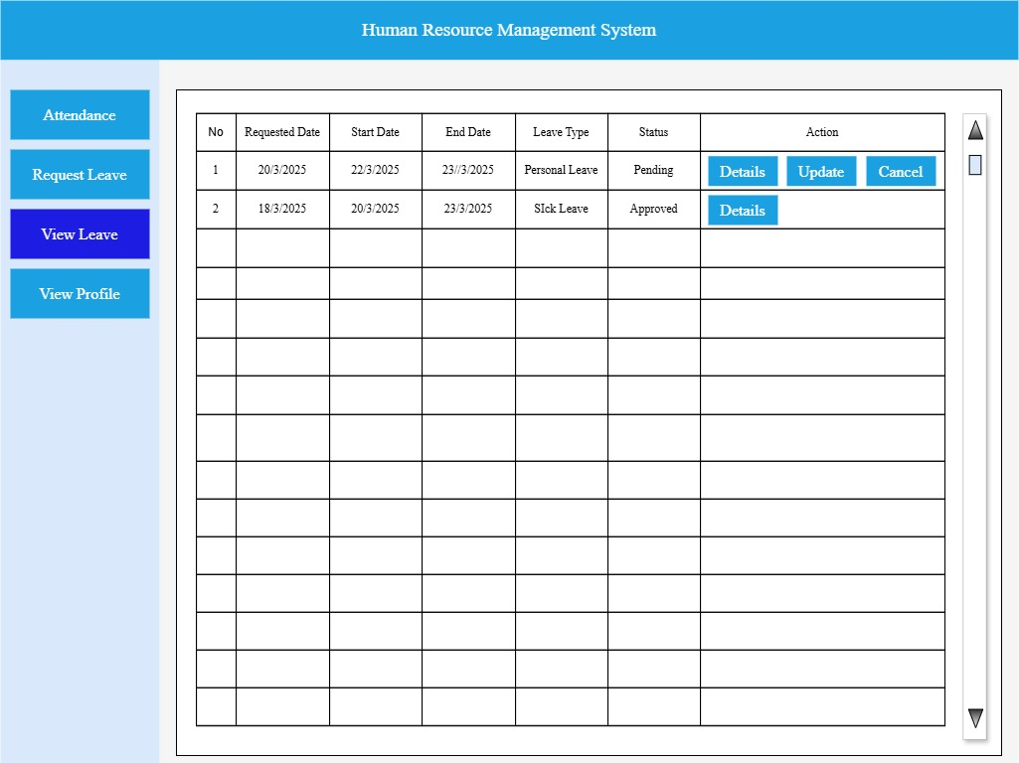

 |  | 4.2 Form Item Detail

 |  |  | DataGridView |  |  |  | Explanation |  | To Show Employee's Requested Leave Data
 |  |  |  |  |  |  | Item |  | DataGridView
 |  |  |  |  |  |  | Number of Column |  | 7
 |  |  |  |  |  |  | Number of Row |  | Show According to the number of request leave
 |  |  |  |  |  |  | Column Details |  | (1)No(From 1 to Number of rows for requested leave)
 |  |  |  |  |  |  |  |  | (2)Requested Date (The date on which the employee submitted the leave request form.)
 |  |  |  |  |  |  |  |  | (3)Start Date(Employee's Leave Start Day)
 |  |  |  |  |  |  |  |  | (4)End Date(Employee's Leave End Day)
 |  |  |  |  |  |  |  |  | (5)Leave Type(Annual Leave , Personal Leave , Parental Leave , Compassionate Leave , Sick Leave)
 |  |  |  |  |  |  |  |  | (6)Status(Pending , Approved)
 |  |  |  |  |  |  |  |  | (7)Action(Details,Update,Cancel)
 |  |  |  |  |  |  | Justify |  | Centre
 |  |  |  |  |  |  | Default |  | －
 |  |  |  |  |  |  | Input Condition |  | Can't input (show only)
 |  |  |  |  |  |  | Resizable |  | No
 |  |  |  |  |  |  | Visibility |  | Visible
 |  |  |  |  |  |  | Other |  | －

 |  |  |  | Details |  |  | Explanation |  | Show details button in all row
 |  |  |  |  |  |  | Item |  | Button
 |  |  |  |  |  |  | Minimum Length |  | －
 |  |  |  |  |  |  | Minimum Length |  | －
 |  |  |  |  |  |  | Justify |  | Center
 |  |  |  |  |  |  | Default
 |  |  |  |  |  |  | Input Condition |  | Can't Input(show only)
 |  |  |  |  |  |  | Input Required
 |  |  |  |  |  |  | Visibility |  | Visible
 |  |  |  |  |  |  | Other |  | When click detail button, user view leave data detail.

 |  |  |  | Update |  |  | Explanation |  | Show user requested leave data's status is pending
 |  |  |  |  |  |  | Item |  | Button
 |  |  |  |  |  |  | Minimum Length
 |  |  |  |  |  |  | Minimum Length
 |  |  |  |  |  |  | Justify |  | Center
 |  |  |  |  |  |  | Default
 |  |  |  |  |  |  | Input Condition |  | Can't Input(show only)
 |  |  |  |  |  |  | Input Required
 |  |  |  |  |  |  | Visibility |  | Visible | (If user requested leave data's status is pending, it is invisible)
 |  |  |  |  |  |  | Other |  | When click update button, show leave request form and then edit data

 |  |  |  | Cancel |  |  | Explanation |  | Show user requested leave data's status is pending
 |  |  |  |  |  |  | Item |  | Button
 |  |  |  |  |  |  | Minimum Length
 |  |  |  |  |  |  | Minimum Length
 |  |  |  |  |  |  | Justify |  | Center
 |  |  |  |  |  |  | Default
 |  |  |  |  |  |  | Input Condition |  | Can't Input(show only)
 |  |  |  |  |  |  | Input Required
 |  |  |  |  |  |  | Visibility |  | Visible | (If user requested leave data's status is pending, it is invisible)
 |  |  |  |  |  |  | Other |  | When click cancel button , delete the requested data

 |  | 4.3 Screen Operation Detail

 |  |  | Event Name |  |  | Process Brief |  |  |  |  |  | Process Detail
 |  |  | Detail Button |  |  | Use to show leave request detail. |  |  |  |  |  | When click detail button , show leave request form that include all leave data related with current role.
 |  |  | Update Button |  |  | Use to edit requested leave data. |  |  |  |  |  | When click update button, show leave request form. And then user can edit requested leave data.
 |  |  | Cancel Button |  |  | Use to delete leave data. |  |  |  |  |  | If the user's requested leave data status is pending, show cancel button.When click cancel button, user can delete the requested data.

 | 5. Employee View Profile

 |  | 5.1 Form Design

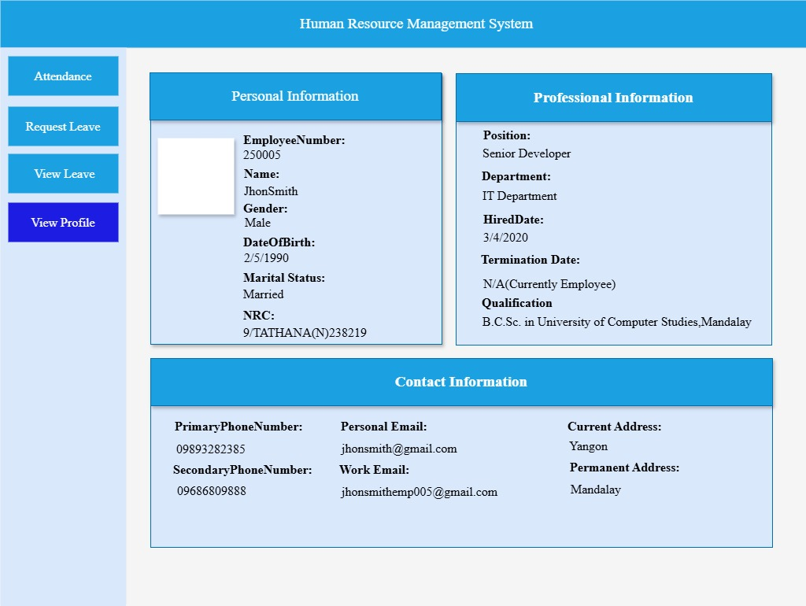

 |  | 5.2 Form Item Detail

 |  |  | Personal Information Container |  |  |  | Explanation |  | Displaying employee's personal details such as profile picture, employee_number,name,gender,date_of_birth,marital_status and nrc
 |  |  |  |  |  |  | Item |  | Panel Box
 |  |  |  |  |  |  | Minimum Length |  | －
 |  |  |  |  |  |  | Maximum length |  | －
 |  |  |  |  |  |  | Justify |  | －
 |  |  |  |  |  |  | Default |  | Not Applicable
 |  |  |  |  |  |  | Input Condition |  | Can't input (show only)
 |  |  |  |  |  |  | Input Required |  | Always show
 |  |  |  |  |  |  | Visibility |  | Visible
 |  |  |  |  |  |  | Other |  | View Only Container ; data is loaded from backend and cannot modify

 |  |  | Professional Information Container |  |  |  | Explanation |  | Displaying employee's professional details such as position,department,hired_date,termination_date and qualification
 |  |  |  |  |  |  | Item |  | Panel Box
 |  |  |  |  |  |  | Minimum Length |  | －
 |  |  |  |  |  |  | Maximum length |  | －
 |  |  |  |  |  |  | Justify |  | －
 |  |  |  |  |  |  | Default |  | Not Applicable
 |  |  |  |  |  |  | Input Condition |  | Can't input (show only)
 |  |  |  |  |  |  | Input Required |  | Always show
 |  |  |  |  |  |  | Visibility |  | Visible
 |  |  |  |  |  |  | Other |  | View Only Container ; data is loaded from backend and cannot modify

 |  |  | Contact Information Container |  |  |  | Explanation |  | Displaying employee's contact details such as primary_phone_number,secondary_phone_number,personal_email,work_email and address
 |  |  |  |  |  |  | Item |  | Panel Box
 |  |  |  |  |  |  | Minimum Length |  | －
 |  |  |  |  |  |  | Maximum length |  | －
 |  |  |  |  |  |  | Justify |  | －
 |  |  |  |  |  |  | Default |  | Not Applicable
 |  |  |  |  |  |  | Input Condition |  | Can't input (show only)
 |  |  |  |  |  |  | Input Required |  | Always show
 |  |  |  |  |  |  | Visibility |  | Visible
 |  |  |  |  |  |  | Other |  | View Only Container ; data is loaded from backend and cannot modify

